Monitoring Well Depths and Map
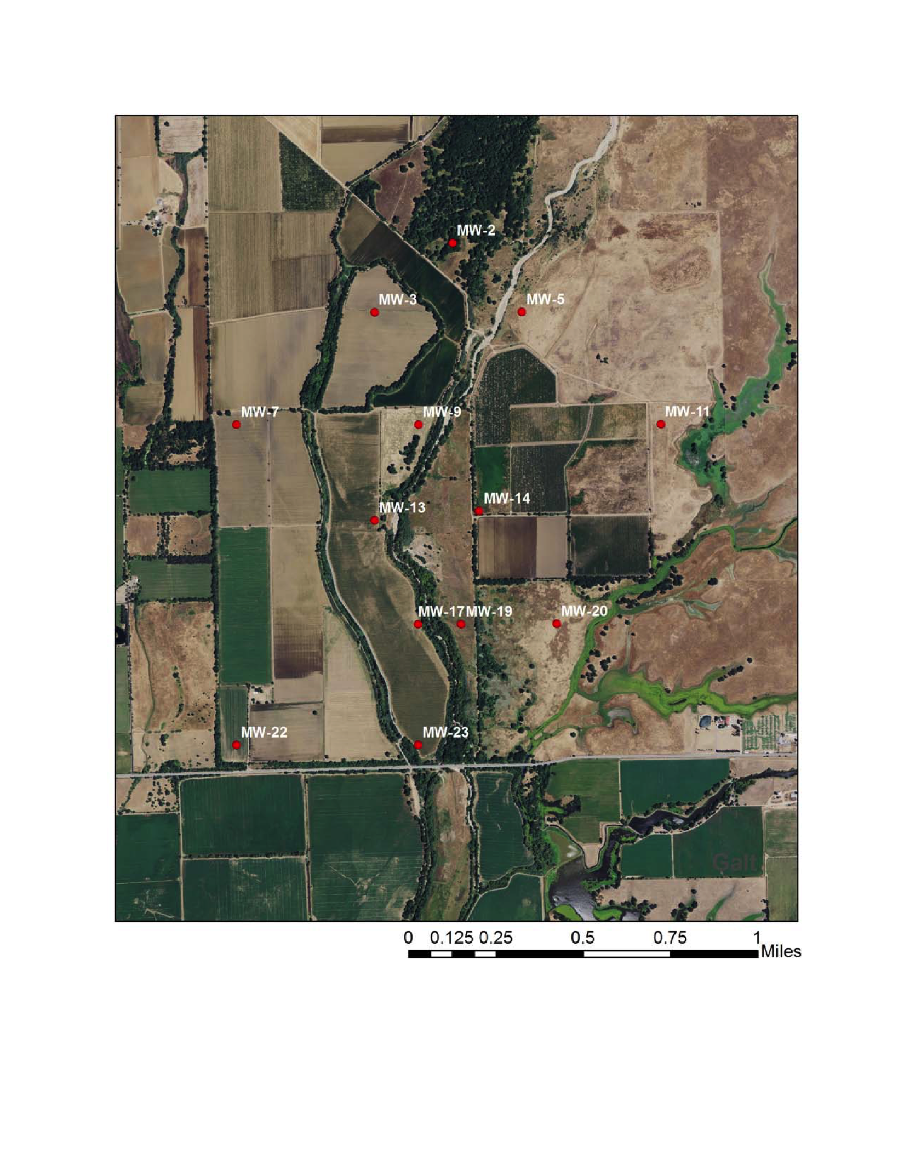
MONITORING WELLS
Well Number | Total Depth | Screen Bot | Screen Top | Sand Top | Grout Type | Grout Date | SWL
MW-02 | 45 | 43 | 33 | 31 | Chips | 2012-09-11 | 32.6
MW-03 | 39 | 38 | 28 | 26 | Chips | 2012-09-10 | 26
MW-05 | 65 | 64 | 54 | 52 | Chips | 2012-09-13 | 32.3
MW-07 | 35 | 32.5 | 30 | 28 | Chips | 2012-09-13 | 35.1
MW-09 | 55 | 53 | 48 | 46 | Chips | 2012-09-10 | 32.3
MW-11 | 62 (chips to 38') | 38 | 30 | 30 | Chips | 2013-09-26 | 30.5
MW-13 | 31 | 29 | 14 | 13.3 | Chips | 2013-09-27 | 27.5
MW-14 | 65 (chips to 40') | 39.5 | 37 | 36 | Chips | 2013-09-30 | 29.7
MW-17 | 40 | 39.5 | 29.5 | 30 | Chips | 2013-09-27 | 26.3
MW-19 | 60 | 59.5 | 54.5 | 52 | Chips | 2012-09-11 | 27.2
MW-20 | 67.75 | 67.75 | 55 | 54 | Chips | 2013-09-30 | 24.7
MW-22 | 45 | 43 | 38 | 36 | Chips | 2012-09-06 | 22.7
MW-23 | 25 | 25 | 20 | 17 | Chips | 2012-09-12 | 27.7

